Sheet1
Col, Row vs. Lum | Plate Barcode | IBT Barcode | POS_Lum_mean | POS_Lum_StdDev | POS_Lum_CV | POS_Lum_Median | POS_Lum_Mad | NEG_Lum_mean | NEG_Lum_StdDev | NEG_Lum_CV | NEG_Lum_Median | NEG_Lum_Mad | Lum_Z_prime | Lum_RZ_prime | DRC_names
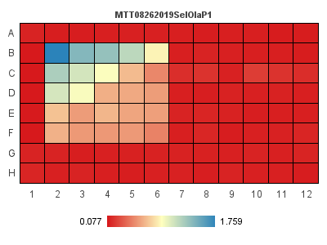 | MTT08262019SelOlaP1 | Layout-1 | 0.0794 | 0.0020591260282 | 2.5933577181 | 0.079 | 0.001 | 1.759 | 0 | 0 | 1.759 | 0 | 0.99632211355 | 0.99821428571
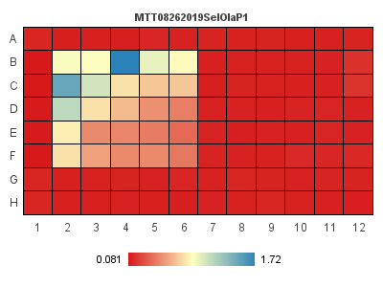 | MTT08262019SelOlaP2 | Layout-1 | 0.0842 | 0.0037094473982 | 4.4055194753 | 0.083 | 0.002 | 0.92 | 0 | 0 | 0.92 | 0 | 0.98668540058 | 0.99283154122
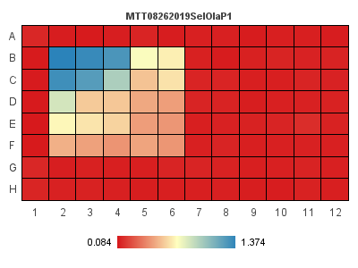 | MTT08262019SelOlaP3 | Layout-1 | 0.0882 | 0.0027129319933 | 3.0758866137 | 0.088 | 0.002 | 1.374 | 0 | 0 | 1.374 | 0 | 0.99367024733 | 0.99533437014

